DataExample lnd_cars-com_card
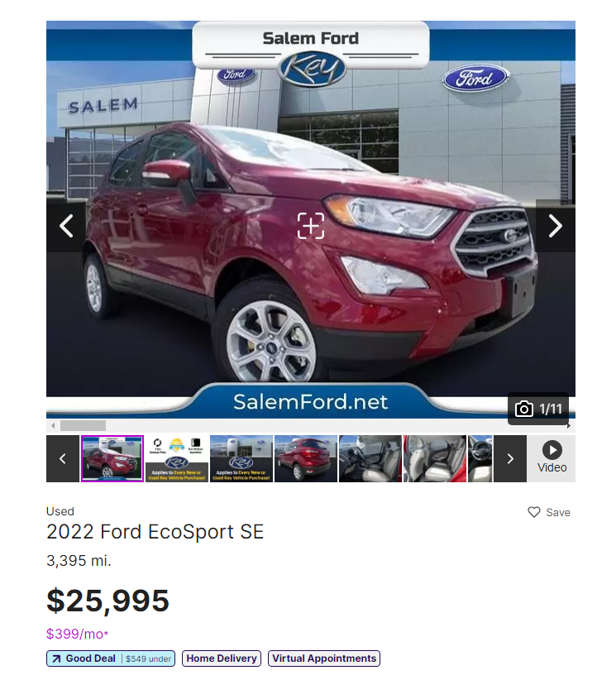
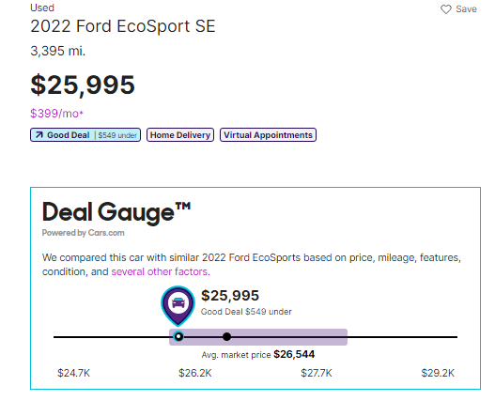
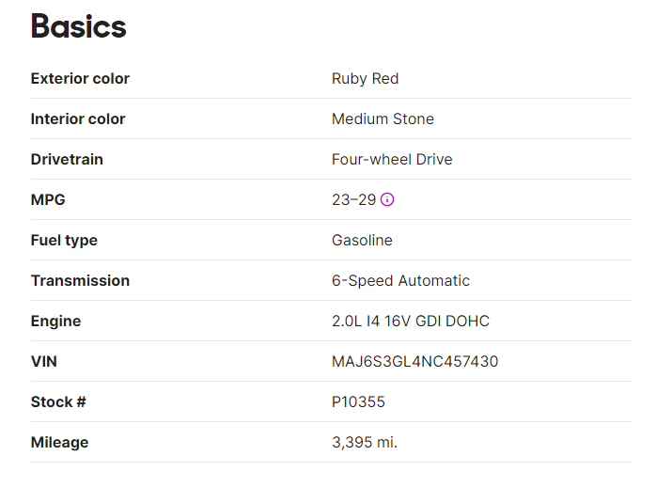
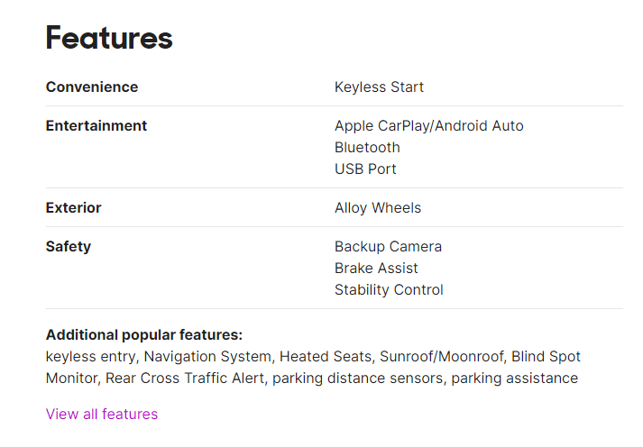
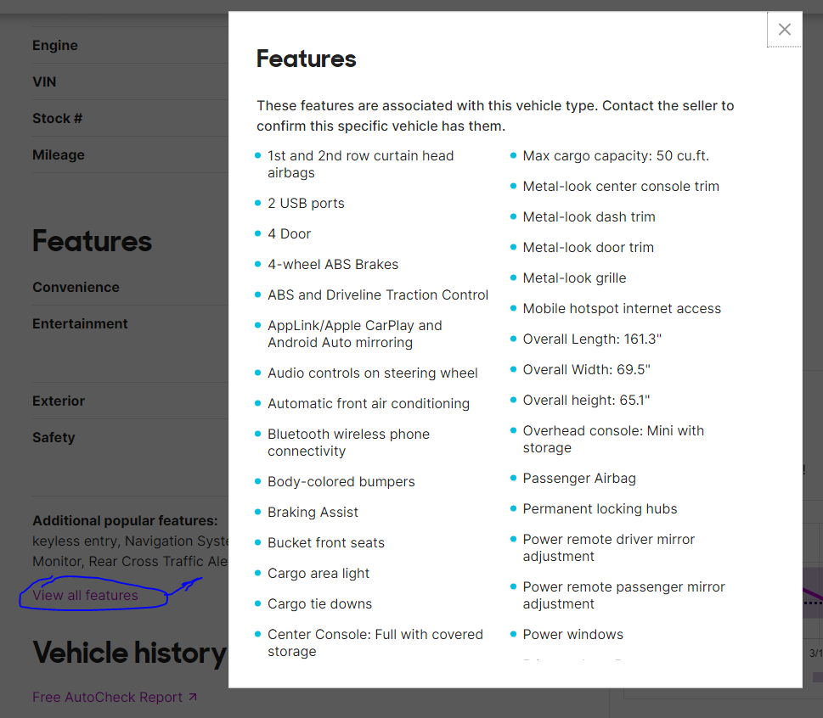
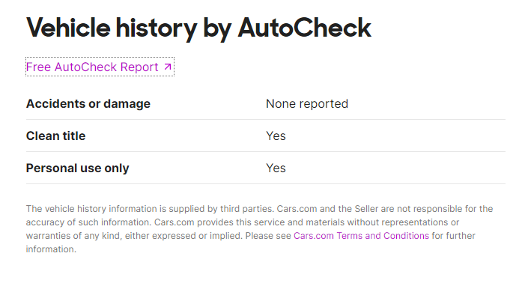
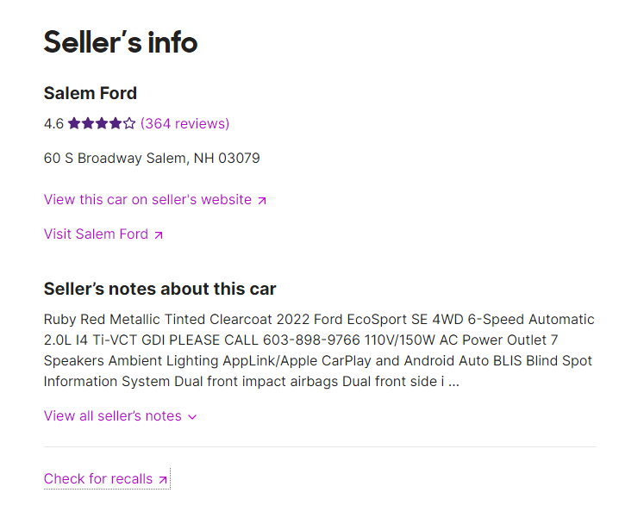
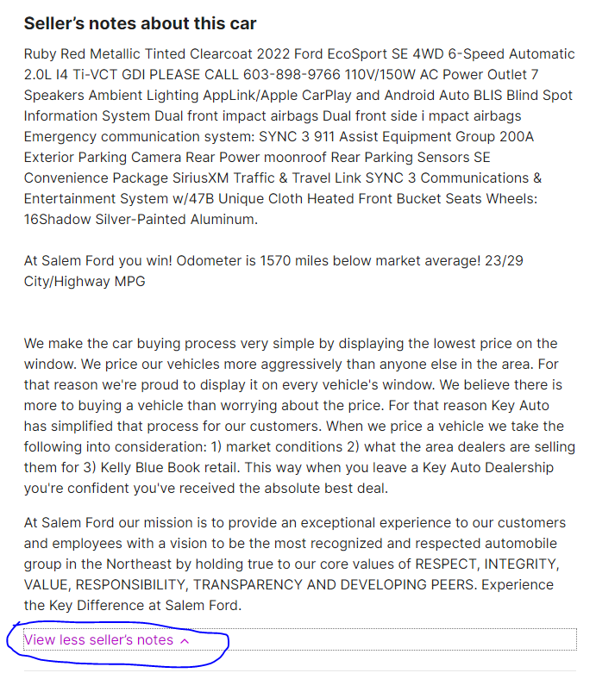
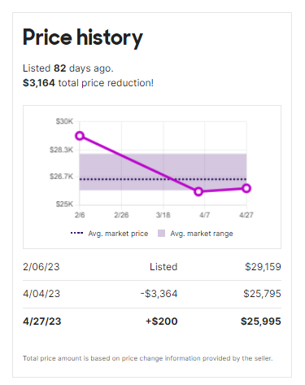
 |  |  | Data Example lnd_cars-com_card
Exported data example from landing table:
card_id | title | price_primary | price_history | location | labels | comment | description | vehicle_history | scrap_date
– | 2023 Porsche Cayenne | 212900 |  | 6107 Lemmon Ave. Dallas, TX 75209 | CPO Warrantied|VIN: WP1BK2AY6PDA39289|Included warranty |  | 2023, Automatic, –, –, 3.965 mi. | suv, –, Arctic Grey | Accidents or damage: None reported | Clean title: Yes | 1-owner vehicle: Yes | Personal use only: Yes | 2023-04-18 22:12:43.000
– | 2023 Porsche Cayenne | 82996 | 3/30/23: $81,995 | 4/13/23: $82,996 | 2500 Boston Post Road Larchmont, NY 10538 | CPO Warrantied|VIN: WP1AA2AY0PDA00387|Included warranty | Our sales teams are working and physical showrooms are open. Test drive appointments are recommended so we can prepare the car properly. We've started using new digital technologies to better serve you where you can now shop on-line do as little or as much of the transaction from the safety and comfort of your home at your convenience. | 2023, Automatic, –, –, 3.330 mi. | suv, –, Black | Accidents or damage: At least 1 accident or damage reported | Clean title: Yes | 1-owner vehicle: Yes | Personal use only: Yes | 2023-04-18 20:50:08.000
23070 | 2023 Hyundai Sonata SEL Plus | 29997 | 9/30/22: $33,495 | 1/26/23: $32,745 | 3/03/23: $32,245 | 3/30/23: $29,997 | 3870 Byrd Dr Loveland, CO 80538 | Fair Deal|Home Delivery|Virtual Appointments|VIN: KMHL44J27PA247668 | Equipment: See what's behind you with the back up camera on this vehicle. Front wheel drive on the vehicle gives you better traction and better fuel economy. The Hyundai Sonata has a 1.6 liter 4 Cylinder Engine high output engine. This 2023 Hyundai Sonata projects refinement with a racy metallic gra|…|y exterior. Light weight alloy wheels on it are the perfect compliment to a stylish body. This 2023 Hyundai Sonata features cruise control for long trips. Anti-lock brakes will help you stop in an emergency. Help alleviate lower back pain with the driver seat lumbar support in the vehicle. This mid-size car has an automatic transmission that includes a manual shifting mode. Enjoy the tried and true gasoline engine in the Hyundai Sonata. The vehicle is built for driving comfort with a telescoping wheel. Just the right size to accommodate all your needs. It has room for passengers and plenty of trunk space. Packages: CARGO PACKAGE: Cargo Tray; Trunk Cargo Net; Cargo Hook. CARPETED FLOOR MATS. FIRST AID KIT. Equipment listed is based on original vehicle build. Please confirm the accuracy of the included equipment by calling the dealer prior to purchase. | 2023, 8-Speed Automatic with SHIFTRONIC, 1.6L I4 16V GDI DOHC Turbo, Gasoline, 3.544 mi. | sedan, Front-wheel Drive, Hampton Gray | Accidents or damage: None reported | Clean title: Yes | Personal use only: Yes | 2023-04-18 11:31:31.000
230192A | 2023 Cadillac XT4 Premium Luxury | 45669 |  | 6201 South La Grange Road Hodgkins, IL 60525 | Fair Deal|Hot Car|CPO Warrantied|Home Delivery|Virtual Appointments|VIN: 1GYFZDR47PF152579|Included warranty | Certified. Recent Arrival! 2023 Cadillac XT4 Premium Luxury Premium Luxury Odometer is 2288 miles below market average! 22/29 City/Highway MPG CARFAX One-Owner. Clean CARFAX. 2-Way Driver Seat Power Lumbar Control, 2-Way Passenger Seat Power Lumbar Control, 4.2 Diagonal Color Display Driver Info Cen|…|ter, 4-Way Driver Seat Power Lumbar Control, 4-Way Passenger Seat Power Lumbar Control, 6-Way Power Passenger Seat Adjuster, 7-Speaker Audio System w/Auxiliary Amplifier, 8-Way Power Driver Seat Adjuster, 8-Way Power Passenger Seat Adjuster, Air Conditioning, Apple CarPlay/Android Auto, Auto High-beam Headlights, Auto-Dimming Inside Rear-View Mirror, Automatic Emergency Braking, Automatic temperature control, Brake assist, Cold Weather Package, Comfort & Convenience Package, Delay-off headlights, Dual Panel Glass Sunroof w/Power Tilt/Sliding, Electronic Cruise Control w/Set & Resume Speed, Electronic Stability Control, Four wheel independent suspension, Front & Rear Park Assist, Front dual zone A/C, Fully automatic headlights, HD Radio, HD Rear Vision Camera, Heated door mirrors, Heated Driver & Front Passenger Seats, Heated Rear Outboard Seating Positions, Heated Steering Wheel, Illuminated entry, Leather steering wheel, Manual Rake & Telescoping Steering Column, Memory seat, Power driver seat, Power Liftgate, Power Lumbar Massage Driver Seat, Power Lumbar Massage Front Passenger Seat, Power steering, Power windows, Preferred Equipment Group 1SE, Radio: Cadillac User Experience AM/FM Stereo, Rain sensing wipers, Rear window defroster, Rear window wiper, Remote keyless entry, SiriusXM w/360L, Speed-sensing steering, Standard Suspension, Steering wheel mounted audio controls, Traction control, Turn signal indicator mirrors, Variably intermittent wipers, Ventilated Driver & Front Passenger Seats, Wheels: 18 10-Spoke Pearl Nickel Finish Alloy, Wireless Apple CarPlay/Wireless Android Auto. Cadillac Certified Pre-Owned Details: Vehicle History 172 Point Inspection | 2023, 9-Speed Automatic, 2.0L I4 16V GDI DOHC Turbo, Gasoline, 617 mi. | suv, All-wheel Drive, Silver Metallic | Accidents or damage: None reported | 1-owner vehicle: Yes | Personal use only: Yes | 2023-04-18 15:25:14.000
P10355 | 2022 Ford EcoSport SE | 25795 | 2/06/23: $29,159 | 4/04/23: $25,795 | 60 S Broadway Salem, NH 03079 | Great Deal | $1,086 under|Home Delivery|Virtual Appointments|VIN: MAJ6S3GL4NC457430 | Ruby Red Metallic Tinted Clearcoat 2022 Ford EcoSport SE 4WD 6-Speed Automatic 2.0L I4 Ti-VCT GDI PLEASE CALL 603-898-9766 110V/150W AC Power Outlet 7 Speakers Ambient Lighting AppLink/Apple CarPlay and Android Auto BLIS Blind Spot Information System Dual front impact airbags Dual front side i|…|mpact airbags Emergency communication system: SYNC 3 911 Assist Equipment Group 200A Exterior Parking Camera Rear Power moonroof Rear Parking Sensors SE Convenience Package SiriusXM Traffic & Travel Link SYNC 3 Communications & Entertainment System w/47B Unique Cloth Heated Front Bucket Seats Wheels: 16Shadow Silver-Painted Aluminum.|At Salem Ford you win! Odometer is 2244 miles below market average! 23/29 City/Highway MPG|We make the car buying process very simple by displaying the lowest price on the window. We price our vehicles more aggressively than anyone else in the area. For that reason we're proud to display it on every vehicle's window. We believe there is more to buying a vehicle than worrying about the price. For that reason Key Auto has simplified that process for our customers. When we price a vehicle we take the following into consideration: 1) market conditions 2) what the area dealers are selling them for 3) Kelly Blue Book retail. This way when you leave a Key Auto Dealership you're confident you've received the absolute best deal. | 2022, 6-Speed Automatic, 2.0L I4 16V GDI DOHC, Gasoline (23–29 mpg), 3.395 mi. | suv, Four-wheel Drive, Ruby Red | Accidents or damage: None reported | Clean title: Yes | Personal use only: Yes | 2023-04-19 01:19:40.000

An example of original data for card_id = |  | P10355
Link to the website - |  | https://www.cars.com/vehicledetail/402bd497-0efa-42f4-85c0-d6ae2de1a7f6/
Saved web page you can find in the folder - |  | ...\Used 2022 Ford EcoSport SE For Sale $25,995 _ Cars.com\*.html

Screen of website:

